Katara
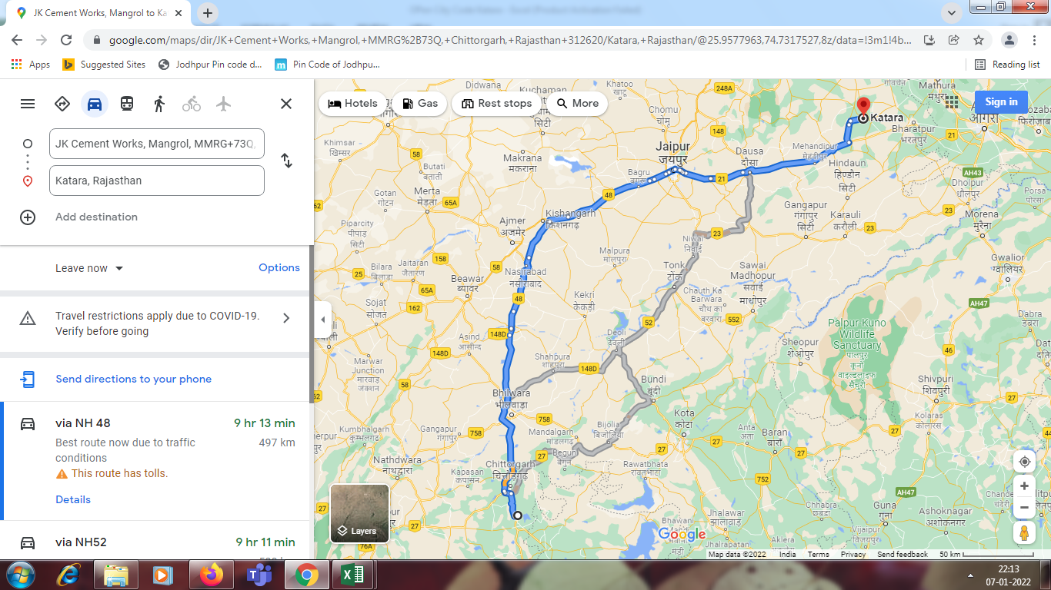
State | Destination/City | Destination/City Codes | PIN Code | Taluka / Tehsil | Tehsil/Taluka Codes | District | District/ County Code | Price cluster | PRICE LIST | Source from where the distance is mapped(WH 1374) | Source from where the distance is mapped(Plant 1004) | DMOG code
RJ 1 | KATARA | TO Be Open | 321602 | NADBAI | RJ059 | BHARATPUR | 141 | 20 BHARATPUR RURAL | F7 | 46 KM | 497 KM | DMOG099

